Sheet8
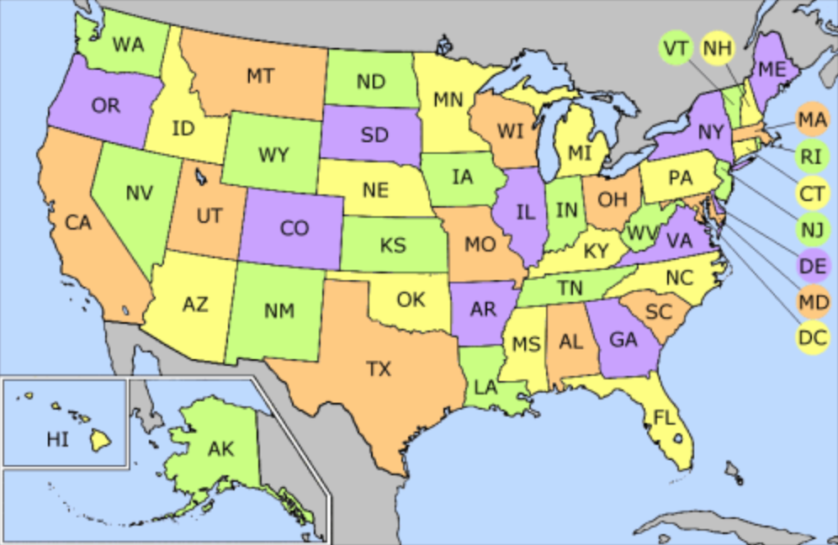



Cephalosporins | Cephalexin
Fluoroquinolones | Ciprofloxacin HCl
Macrolides | Azithromycin
Penicillins | Amoxicillin
Vancomycin | Vancomycin
Sulfonamides | Sulfamethoxazole & Trimethoprim

